Bug Report
 |  | 1 |  |  | 2 |  |  | 3 |  |  | 4 |  |  | 5 |  |  | 6 |  |  | 7 |  |  | 8
Defect Report |  |  | Defect Report |  |  | Defect Report |  |  | Defect Report |  |  | Defect Report |  |  | Defect Report |  |  | Defect Report |  |  | Defect Report

Release | V.1.0 |  | Release | V.1.0 |  | Release | V.1.0 |  | Release | V.1.0 |  | Release | V.1.0 |  | Release | V.1.0 |  | Release | V.1.0 |  | Release | V.1.0
Title | Subtraction Operation Button Issue |  | Title | Calculator Does Not Display Result if Zero |  | Title | Calculator Multiplies Result by 2 After multiplication Calculation |  | Title | CE' Button Clears Incorrectly |  | Title | Decimal Point (".") Does Not Display After Single Press |  | Title | Incorrect Calculation on Numbers with More Than three Decimal Places |  | Title | Incorrect Calculation for Numbers ≥ 1000 |  | Title | Overflow in Display.
Description | The subtraction operation button on the calculator is performing addition instead of subtraction. |  | Description | The calculator display the blank result on the screen if the calculation outcome is zero. |  | Description | After performing a multiplication calculation, the calculator incorrectly multiplies the result by 2. |  | Description | The "CE" (Clear Entry) button on the calculator clears the screen |  | Description | display the decimal point (".") after a double press |  | Description | The calculator fails to perform calculations correctly on numbers with more than three decimal places. |  | Description | The calculator fails to perform calculations correctly for numbers that are greater than or equal to 1000. |  | Description | Verify that the calculator handles overflow conditions in the display correctly.
Steps | 1-press the 'C' button display is clear. 2-press the numbur '5' button. 3- Press the "-" button. 4- press the numbur '3' button. 5-Press the "=" button to execute the addition operation. |  | Steps | 1-press the 'C' button display is clear. 2-press the numbur '77' button. 3- Press the "*" button. 4- press the numbur '0' button. 5-Press the "=" button to execute the addition operation. |  | Steps | 1-press the 'C' button display is clear. 2-press the numbur '5' button. 3- Press the "*" button. 4- press the numbur '8' button. 5-Press the "=" button to execute the addition operation. |  | Steps | 1-press the 'C' button display is clear. 2-press the number "2" button. 3- Press the "*" button. 4- press the number '232' button. 5-press the "CE"button |  | Steps | 1-press the 'C' button display is clear. 2-press the number "2" button. 3-Press the decimal point (".") button once |  | Steps | 1-press the 'C' button display is clear. 2-press the number '1.5001' button. 3- Press the "+" button. 4- press the number '1.4999' button. 5-Press the "=" button to execute the addition operation. |  | Steps | 1-press the 'C' button display is clear. 2-press the number '1000' button. 3- Press the "+" button. 4- press the number '10' button. 5-Press the "=" button to execute the addition operation. |  | Steps | 1-press the 'C' button display is clear. 2-enter the number "22222222222222222222222" . 3-Observe the calculator display.
Expected Results | 2 |  | Expected Results | 0 |  | Expected Results | result=40 |  | Expected Results | removed the number "232" the calculator display " 2* " |  | Expected Results | display the decimal point (".") after a single press. |  | Expected Results | results=3 |  | Expected Results | result=1010 |  | Expected Results | The calculator should handle the overflow condition gracefully
Actual Result | 8 |  | Actual Result | blank |  | Actual Result | result=80 |  | Actual Result | blank screen |  | Actual Result | display the decimal point (".") after a double press |  | Actual Result | results="error" |  | Actual Result | result=11 |  | Actual Result | Overflow
Environment | Microsoft Edge V.123.0.2420.81 |  | Environment | Microsoft Edge V.123.0.2420.81 |  | Environment | Microsoft Edge V.123.0.2420.81 |  | Environment | Microsoft Edge V.123.0.2420.81 |  | Environment | Microsoft Edge V.123.0.2420.81 |  | Environment | Microsoft Edge V.123.0.2420.81 |  | Environment | Microsoft Edge V.123.0.2420.81 |  | Environment | Microsoft Edge V.123.0.2420.81
Screenshot / Video | 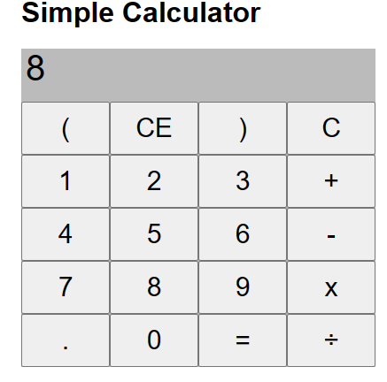 |  | Screenshot / Video | 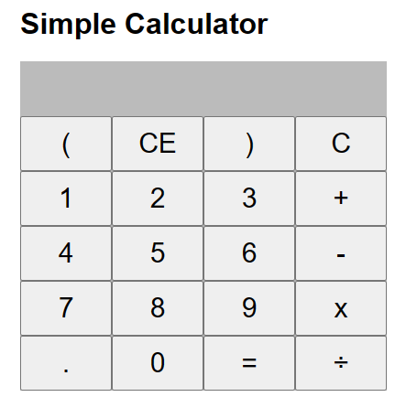 |  | Screenshot / Video | 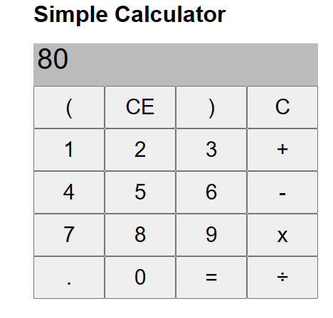 |  | Screenshot / Video |  |  | Screenshot / Video |  |  | Screenshot / Video | 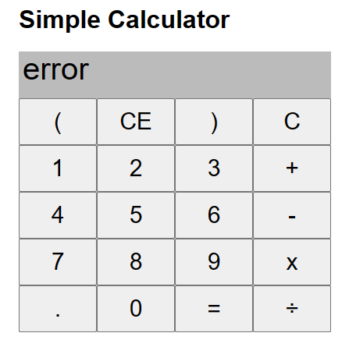 |  | Screenshot / Video | 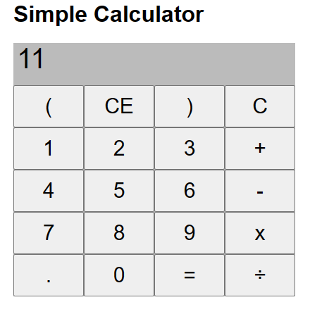 |  | Screenshot / Video | 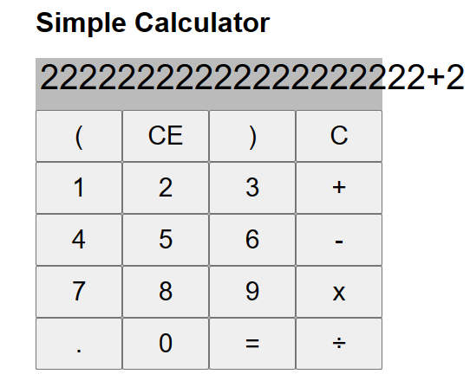
Rate | 2022-05-05 |  | Rate | 2022-05-05 |  | Rate | 2022-05-05 |  | Rate | 2022-05-05 |  | Rate | 2022-05-05 |  | Rate | 2022-05-05 |  | Rate | 2022-05-05 |  | Rate | 2022-05-05
Priority | High |  | Priority | high |  | Priority | high |  | Priority | Medium |  | Priority | low |  | Priority | high |  | Priority | high |  | Priority | low
Status | open |  | Status | open |  | Status | Open |  | Status | Open |  | Status | Open |  | Status | Open |  | Status | Open |  | Status | Open
Author | yasser |  | Author | yasser |  | Author | yasser |  | Author | Yasser |  | Author | yasser |  | Author | Yasser |  | Author | Yasser |  | Author | Yasser
© Copy rights for QAcart 2022 |  |  | © Copy rights for QAcart 2022 |  |  | © Copy rights for QAcart 2022 |  |  | © Copy rights for QAcart 2022 |  |  | © Copy rights for QAcart 2022 |  |  | © Copy rights for QAcart 2022 |  |  | © Copy rights for QAcart 2022 |  |  | © Copy rights for QAcart 2022

